基准测试
附：《官方测试POC》https://docs.pingcap.com/zh/tidb/stable/benchmark-sysbench-v6.2.0-vs-v6.1.0

TestCase | Threads | v6.5.2 TPS | v6.5.2 95% latency (ms)
oltp_point_select | 300 | 254266.06 | 2.97
 | 600 | 263455.18 | 6.09
 | 900 | 263752.37 | 9.06
oltp_update_non_index | 300 | 3291.58 | 144.97
 | 600 | 5774.57 | 167.44
 | 900 | 7719.26 | 183.21
oltp_update_index | 300 | 2462.86 | 183.21
 | 600 | 4266.51 | 207.82
 | 900 | 5853.19 | 227.4
oltp_read_write | 300 | 1239.14 | 458.96
 | 600 | 1631.27 | 634.66
 | 900 | 1908.31 | 773.68

性能指标观测
oltp_point_select | oltp_update_non_index | oltp_update_index | oltp_read_write
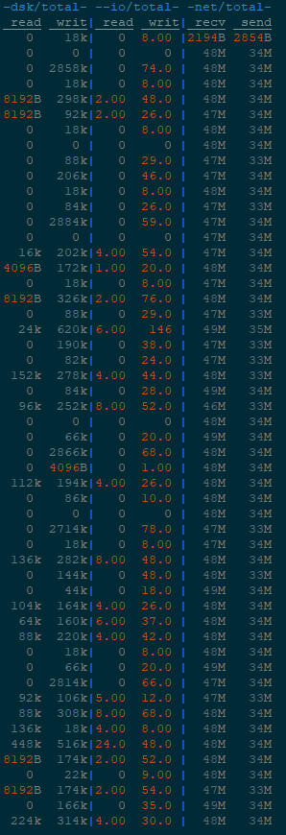
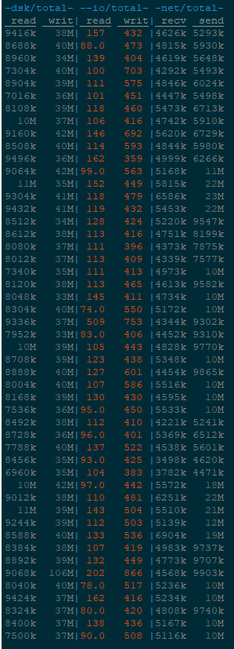
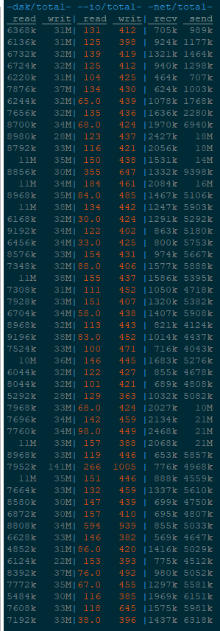
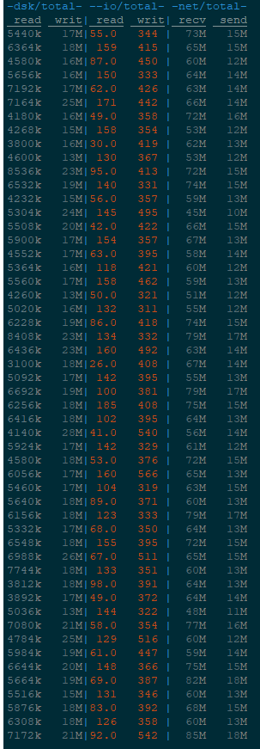

附：测试指令
sysbench oltp_common \ --threads=16 \ --rand-type=uniform \ --db-driver=mysql \ --mysql-db=test_db \ --mysql-host=172.16.3.120 \ --mysql-port=4000 \ --mysql-user=root \ --mysql-password=@-W4tGc7n23Dv01_X* \ prepare --tables=16 --table-size=10000000

sysbench oltp_read_write \ --threads=600 \ --time=1200 \ --report-interval=1 \ --rand-type=uniform \ --db-driver=mysql \ --mysql-db=test_db \ --mysql-host=172.16.3.120 \ --mysql-port=4000 \ --mysql-user=root \ --mysql-password=@-W4tGc7n23Dv01_X* \ run --tables=16 --table-size=10000000

